Table of Contents
POWER OF PATIENTS

Data Dictionary | Table of Contents

 | 1. Variable Names and Description
 | 2. Current Tables and Their Included Variables
 | 3. Table Structures
 | 3. Version 1 of Sallie
 | a. Create your account
 | b. Account Information
 | c. Describe Your Injury
 | d. Injury Details
 | e. Medical Symptoms
 | f. Top Symptoms
 | g. Triggers - Social Determinants of Health
 | h. Therapies
 | i. Notification Preferences
 | j. Email Confirmation
 | k. Main Dashboard View
 | l. Caregiver View Differences
 | m. Provider Pages
 | n. Stroke View Differences
 | o. Direct Messaging

Test environment
https://test.powerofpatients.com/

Test Accounts
1. Provider Test: provider@powerofpatients.com provider123
2. Caregiver Test: caregiver@powerofpatients.com caregiver123
3.Patient Test: patient@powerofpatients.com patient123
4.stroke account： Jack x. zhang.zheng4@husky.neu.edu zzzzzzz
5. CareManager account : zCareManager@qq.com zzzzzzzz

Create your account
Version 1 of Sallie

 | Page Reference: Create your account
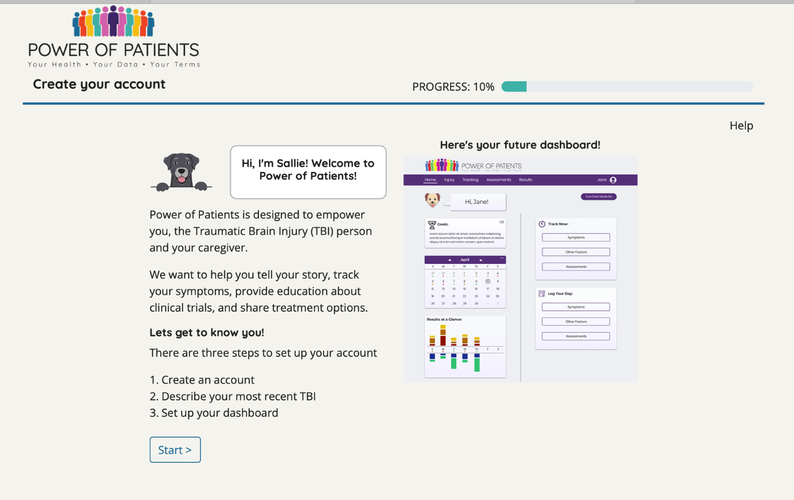

 | Fields: No fields
 | Tables: No tables

Account Information
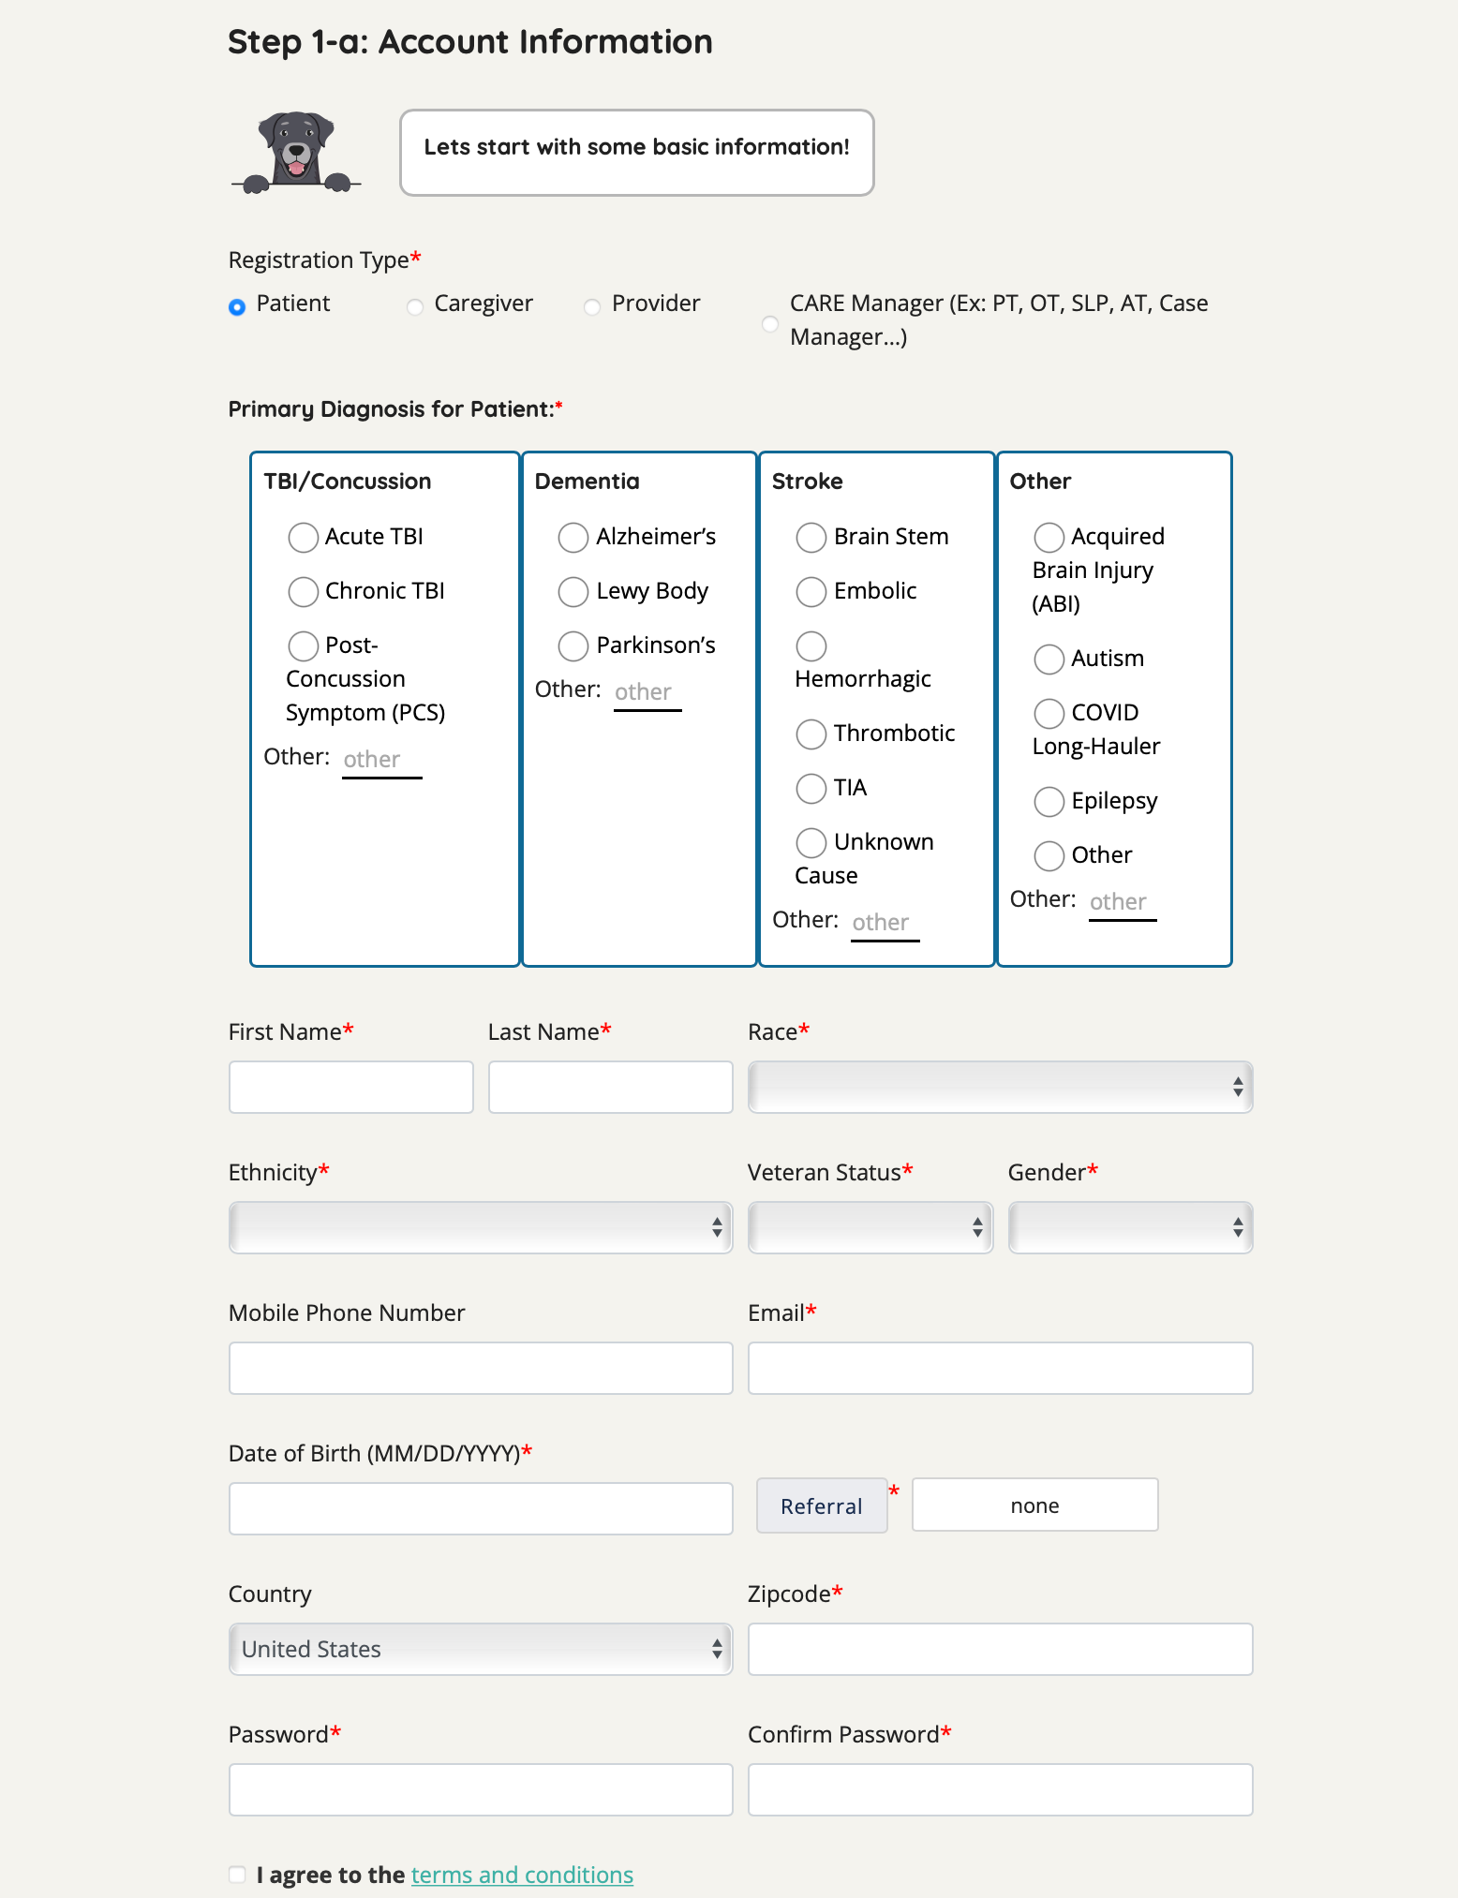
 |  | JUMP TO:
Page Reference: Account Information | Caregiver Step 1-a | Care Manager Step 1-a | Provider Step 1-a |  | Tables: | Variables: | Type | Responses | Master Table Linked Source | Description
 |  |  |  |  | user_info | user_id | uuid | alpha numeric | user_id | This table captures all of the demographic information of the user.
 |  |  |  |  |  | first_name | varchar(100) | alpha
 |  |  |  |  |  | last_name | varchar(100) | alpha
 |  |  |  |  |  | date_of_birth | date | yyyy-mm-dd
 |  |  |  |  |  | phone_number | varchar(100) | numeric (10 digits)
Field: user_type
 |  |  |  |  |  | postal_code | varchar | alpha numeric
 |  |  |  |  |  | user_type | varchar | see image |  | There are four user types.
 |  |  |  |  |  | registered_at | timestamp(0) | yyyy-mm-dd hh:mm:ss
 |  |  |  |  |  | country | varchar | alpha (two letters)
 |  |  |  |  |  | referral_group | varchar | see image
Field: patient_type
 |  |  |  |  |  | veteran | varchar | see image
 |  |  |  |  |  | ethnicity | varchar | see image
 |  |  |  |  |  | race | varchar | see image
Field: patient_sub_type
 |  |  |  |  |  | city | varchar | see image
 |  |  |  |  |  | state | varchar | see image

Field: first_name
Field: last_name
Field: race
 |  |  |  |  | Tables: | Variables: | Type | Responses | Master Table Linked Source | Description
 |  |  |  |  | user_auth | user_id | uuid | alpha numeric | user_id | This table captures all of the users email information. When they agree to the terms and conditions of Sallie and Verify their email, it is captured in this table.
 |  |  |  |  |  | email | varchar | _____@_____
 |  |  |  |  |  | hashed_password | varchar | alpha numeric
 |  |  |  |  |  | agreed_to_terms | bool | TRUE/FALSE
Field: veteran
 |  |  |  |  |  | is_verified | bool | TRUE/FALSE
Field: ethnicity
Field: gender
Field: phone_number
Field: email
 |  |  |  |  | Tables: | Variables: | Type | Responses | Master Table Linked Source | Description
 |  |  |  |  | referral_groups | id | int4 | numeric | not linked | This table is a list of all of the referral group options that Sallie offers.
 |  |  |  |  |  | group_name | varchar | see image

Field: date_of_birth
Field: referral_group

Field: hashed_password
Field: country
Field: postal_code
 |  |  |  |  | Tables: patient_info | Variables: | Type | Responses | Master Table Linked Source | Description
 |  |  | 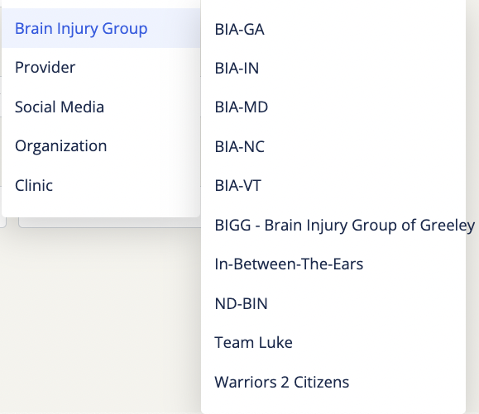 |  | 1 | patient_id | uuid |  |  | This table is designed to store patient information. If the user_type is 'patient', their information in user_info will also be transferred to patient_info. However, if the user_type is 'Care Manager' or 'Caregiver', their information will be stored in user_info, while their patients' information will be saved in patient_info. In this scenario, they are connected by the user_patients table.
 |  |  |  |  | 2 | first_name | varchar(100)
 |  |  |  |  | 3 | last_name | varchar(100)
 |  |  |  |  | 4 | date_of_birth | date
 |  |  |  |  | 5 | gender | varchar
 |  |  |  |  | 6 | patient_type | varchar
 |  |  |  |  | 7 | external_id | varchar
 |  |  |  |  | 10 | patient_sub_type | varchar

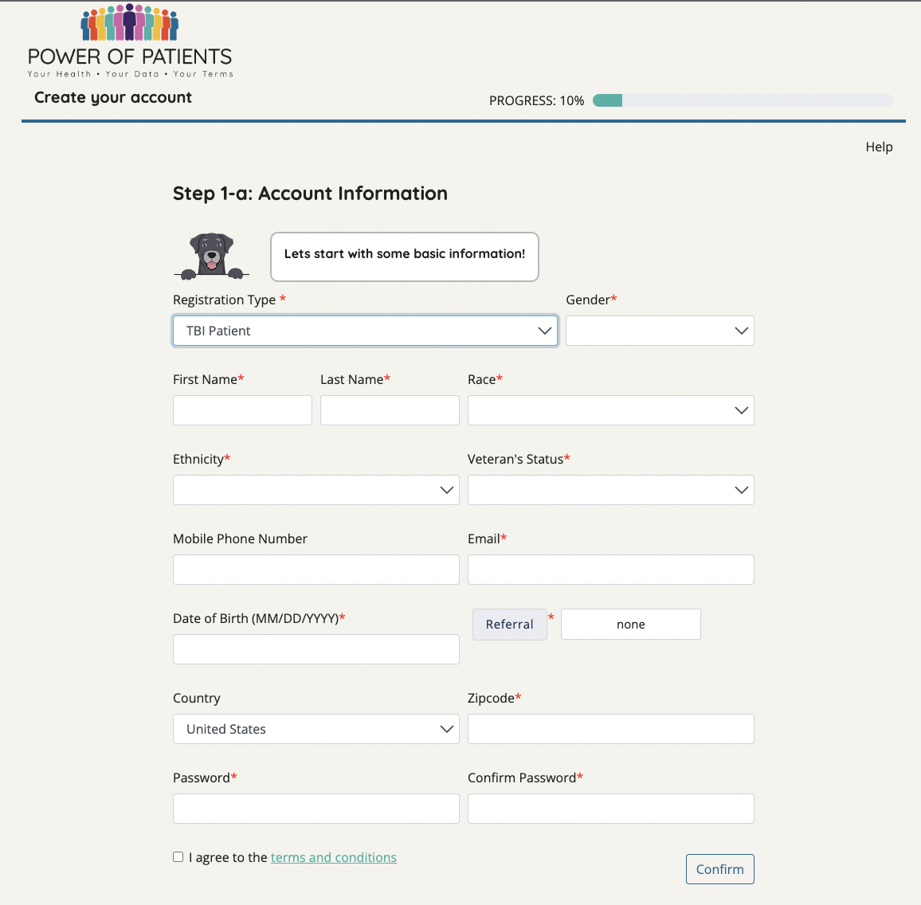

 |  |  |  | ‹

Injury Details(TBI)
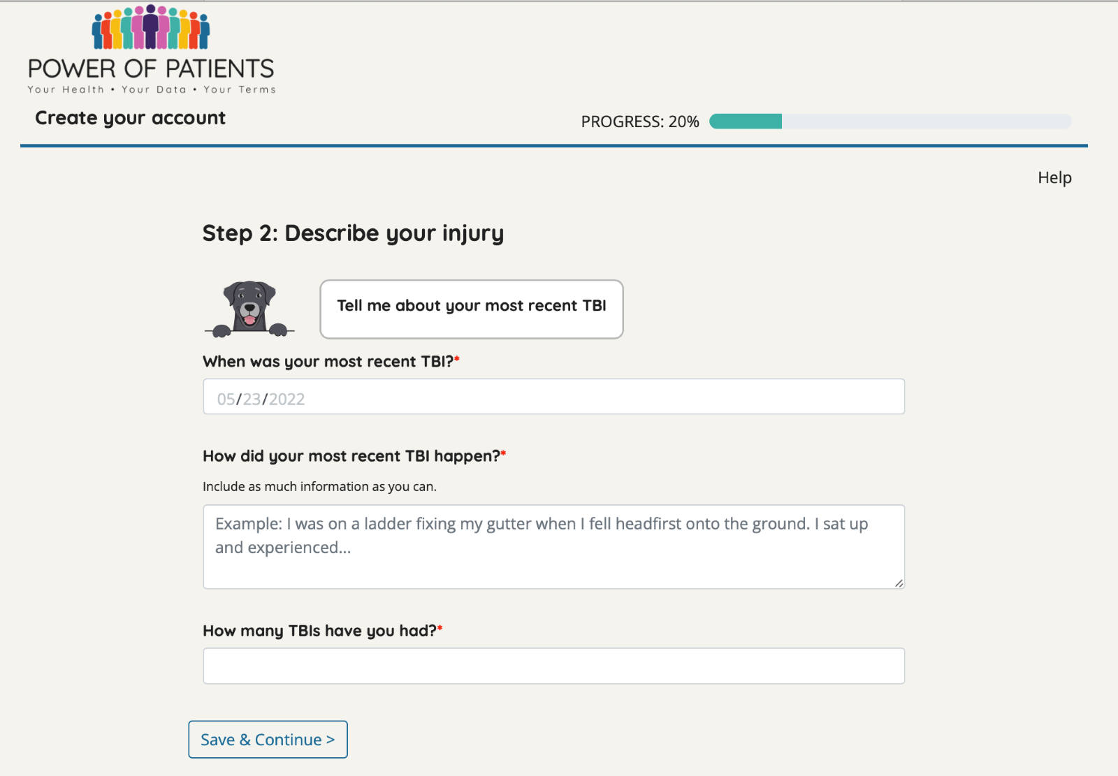
Page Reference: Injury Details
 | Tables: | Variables: | Type | Responses | Master Table Linked Source | Description
 | tbi_incident | id | int4 | numeric | patient_id | This table captures of the information about their injury with information about the event itself, where on the head they were hit, how many previous TBIs they’ve had, and any immediate symptoms.
 |  | tbi_incident_date | date | yyyy-mm-dd
 |  | describe_event | varchar | narrative
Field: injury_from
Field: tbi_incident_date
 |  | injury_from | varchar | see image
 |  | head_hit_location | varchar | see image
 |  | patient_id | uuid | alpha numeric
 |  | total_tbi | int4 | numeric
Field: describe_event
 |  | immediate_symptoms_resulting | varchar | see image

Field: total_tbi
 | Tables: | Variables: | Type | Responses | Master Table Linked Source | Description
 | tbi_from | id | int4 | numeric | not linked | This table lists the TBI injury options that Sallie provides.
 |  | tbi_from | varchar | see image

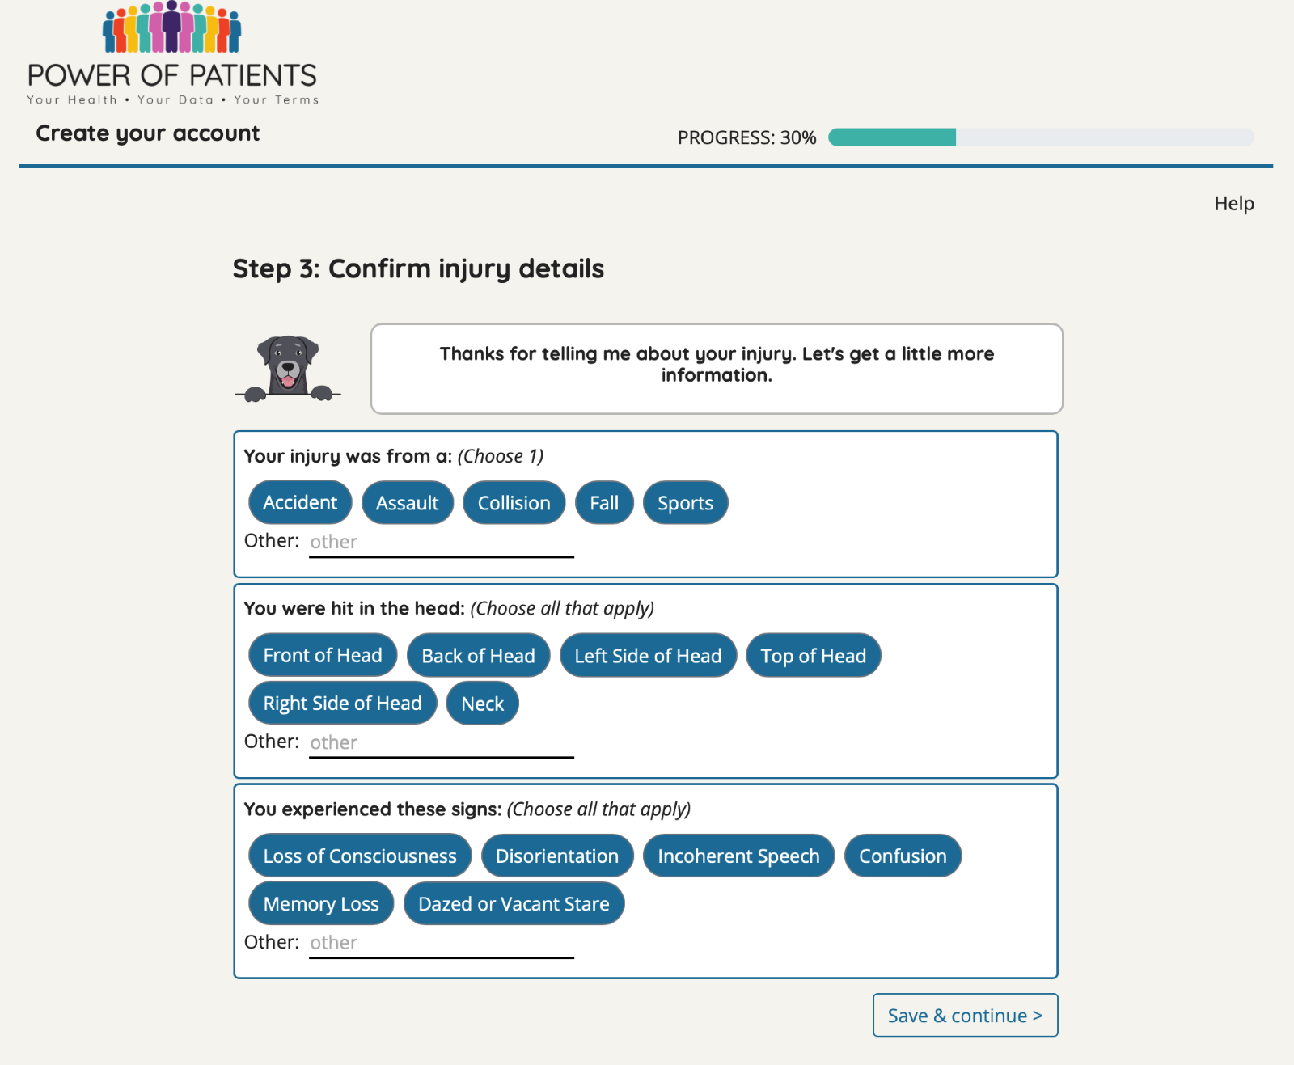
 | Tables: | Variables: | Type | Responses | Master Table Linked Source | Description
 | incident_head_hit_location | id | int4 | numeric | patient_id | This table captures the location on the head that each patient sustained their injury.
 |  | head_hit_location | varchar | see image
 |  | patient_id | uuid | alpha numeric

 | Tables: | Variables: | Type | Responses | Master Table Linked Source | Description
 | immediate_symptoms_resulting | id | int4 | numeric | patient_id | This table captures all the immediate symptoms that the user experienced following their injury.
 |  | immediate_symptoms_resulting | varchar | see image
 |  | patient_id | uuid | alpha numeric

Field: injury_from
 | Tables: | Variables: | Type | Responses | Master Table Linked Source | Description
 | head_hit_location | id | int4 | numeric | not linked | This table is a list of all of the head hit locations that Sallie offers as structured options.
 |  | location | varchar | see image

Field: head_hit_location
Field (structured options): sign
 | Tables: | Variables: | Type | Responses | Master Table Linked Source | Description
 | experienced_sign | id | int4 | numeric | not linked | This table is a list of all of the immediate symptoms that Sallie offers as structured options.
 |  | sign |  | see image (strucutre responses under "experienced these signs")
Field: immediate_symptoms_resulting

Medical Symptoms
Page Reference: Medical Symptoms

 | Tables: | Variables: | Type | Responses | Master Table Linked Source | Descrption
 | tracking_list | id | int4 | numeric | patient_id | This table pulls together all of the symptom ids that patients are tracking.
 |  | patient_id | uuid | alpha numeric
 |  | symptom_id | int4 | numeric

 |  | Variables: | Type | Responses | Master Table Linked Source | Descrption
 | symptom_list | id | int4 | numeric | not linked | This table is a full compiled list of all of the symptoms that have ever been tracked within Sallie.
 |  | factor | varchar | see image
 |  | category | varchar | see image
 |  | subcategory | varchar | see image
 |  | prime | bool | TRUE/FALSE

 | Tables: | Variables: | Type | Responses | Master Table Linked Source | Descrption
 | new_resulting_factors | id | int4 | numeric | user_input_id | This table are all of the check-ins that all Sallie users log. Every time they track their on-going symptoms it is captured in this table.
 |  | user_input_id | uuid | alpha numeric | patient_about_id
 |  | symptom_date | date | yyyy-mm-dd
 |  | had_symptom | bool | TRUE/FALSE
 |  | severity | int4 | numeric (0-100)
 |  | description | text | narrative
 |  | symptom_id | int4 | numeric
 |  | factor | varchar | see image
 |  | category | varchar | see image
 |  | subcategory | varchar | see image
 |  | logged_at | timestamp | yyyy-mm-dd hh:mm:ss
 |  | patient_about_id | uuid | alpha numeric

 | Tables: | Variables: | Type | Responses | Master Table Linked Source | Descrption
 | reister_tracking_list | id | int4 | numeric | patient_id | This table are all of the symptms that the users check off that they have experience/are expriencing during the registration process.
 |  | patient_id | uuid | alpha numeric
 |  | symptom_id | int4 | numeric

Field: subcategory
 | Tables: | Variables: | Type | Responses | Master Table Linked Source | Descrption
 | resulting_factors | id | int4 | numeric | user_input_id | This table are all of the check-ins that all Sallie users log. Every time they track their on-going symptoms it is captured in this table. This is our original tracking table, it is missing the factor (symptoms)
 |  | user_input_id | uuid | alpha numeric | patient_about_id
 |  | symptom_date | date | yyyy-mm-dd
Field: factor
Field: factor
 |  | had_symptom | bool | TRUE/FALSE
 |  | severity | int4 | numeric (0-100)
 |  | description | text | narrative
 |  | symptom_id | int4 | numeric
 |  | logged_at | timestamp | yyyy-mm-dd hh:mm:ss
 |  | patient_about_id | uuid | alpha numeric

Top Symptoms
Page Reference: Top Symptoms

 | Tables: | Variables: | Type | Responses | Master Table Linked Source | Descrption
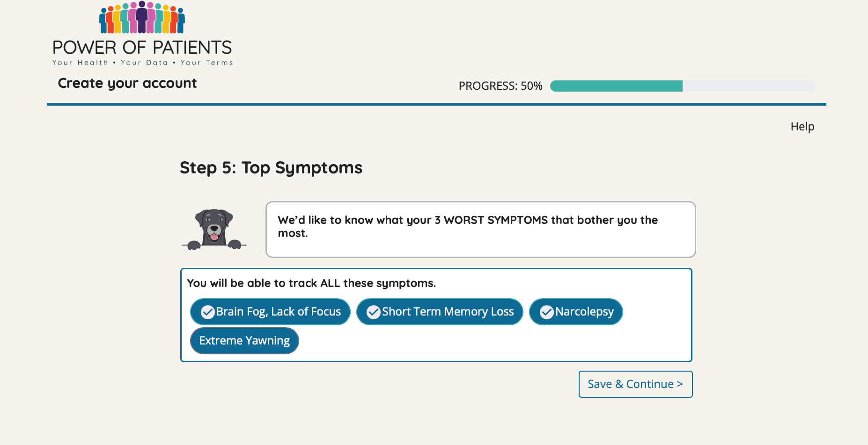 | register_tracking_list | id | int4 | numeric | patient_id | This table are all of the symptms that the users check off that they have experience/are expriencing during the registration process. 2023.8.4 change: This table contains all the symptoms that users have checked off as their three worst during the registration process.
 |  | patient_id | uuid | alpha numeric
 |  | symptom_id | int4 | numeric

 | Tables: | Variables: | Type | Responses | Master Table Linked Source | Descrption
 | tracking_list | id | int4 | numeric | patient_id | This table pulls together all of the symptom ids that patients are tracking. 2023.8.4 change: All symptoms, including those that haven't been checked, will be tracked and inserted into the tracking_list.
 |  | patient_id | uuid | alpha numeric
 |  | symptom_id | int4 | numeric

Table:
There are no tables associated yet for the step separetly - however these symptoms will be seen within the resulting_factors table

SDOH
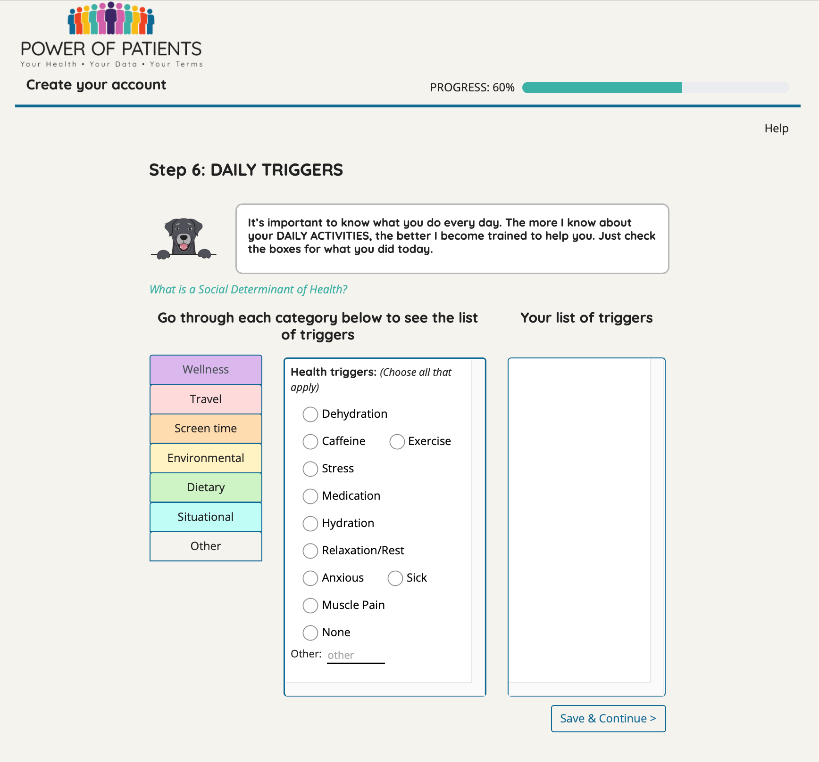
Page Reference: Triggers for Social Determinants of Health | Tables: | Variables: | Type | Responses | Master Table Linked Source | Descrption
 | tracking_list | id | int4 | numeric | patinet_id | This table pulls together all of the symptom ids that patients are tracking.
 |  | patient_id | uuid | alpha numeric
 |  | symptom_id | int4 | numeric

 | Tables: | Variables: | Type | Responses | Master Table Linked Source | Descrption
 | symptom_list | id | int4 | numeric | not linked | This table is a full compiled list of all of the symptoms that have ever been tracked within Sallie.
 |  | factor | varchar | see image
 |  | category | varchar | see image
 |  | subcategory | varchar | see image
 |  | prime | bool | TRUE/FALSE

Field: category
 | Tables: | Variables: | Type | Responses | Master Table Linked Source | Descrption
 | new_resulting_factors | id | int4 | numeric | user_input_id | This table are all of the check-ins that all Sallie users log. Every time they track their on-going symptoms it is captured in this table.
 |  | user_input_id | uuid | alpha numeric | patient_about_id
Field: subcategory
 |  | symptom_date | date | yyyy-mm-dd
 |  | had_symptom | bool | TRUE/FALSE
 |  | severity | int4 | numeric (0-100)
 |  | description | text | narrative
 |  | symptom_id | int4 | numeric
 |  | factor | varchar | see image
 |  | category | varchar | see image
 |  | subcategory | varchar | see image
 |  | logged_at | timestamp | yyyy-mm-dd hh:mm:ss
 |  | patient_about_id | uuid | alpha numeric

 | Tables: | Variables: | Type | Responses | Master Table Linked Source | Description
 | resulting_factors | id | int4 | numeric | user_input_id | This table are all of the check-ins that all Sallie users log. Every time they track their on-going symptoms it is captured in this table. This is our original tracking table, it is missing the factor (symptoms)
 |  | user_input_id | uuid | alpha numeric | patient_about_id
 |  | symptom_date | date | yyyy-mm-dd
 |  | had_symptom | bool | TRUE/FALSE
 |  | severity | int4 | numeric (0-100)
 |  | description | text | narrative
 |  | symptom_id | int4 | numeric
 |  | logged_at | timestamp | yyyy-mm-dd hh:mm:ss
 |  | patient_about_id | uuid | alpha numeric

 | Tables: | Variables: | Type | Responses | Master Table Linked Source | Description
 | registered_sdoh | id | int4 | numeric | patient_about_id (match patient_ids) | This table collects the SDOHs that the patient reports during the registration process of Sallie.
 |  | user_input_id | uuid | alpha numeric
 |  | symptom_date | date | yyyy-mm-dd hh:mm:ss
 |  | had_symptom | bool | NULL
 |  | symptom_id | int4 | numeric
 |  | factor | varchar | see image
 |  | category | varchar | see image
 |  | subcategory | varchar | see image
 |  | patient_about_id | uuid | alpha numeric

Old UI :

Therapies
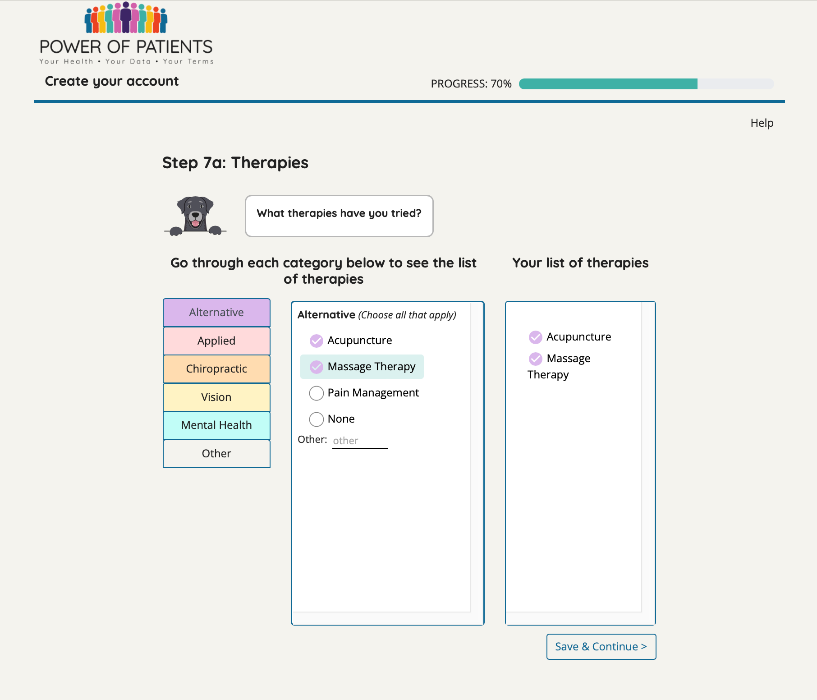
Page Reference: Therapies | Tables: | Variables: | Type | Responses | Master Table Linked Source | Description
 | patient_therapies | id | int4 | numeric | patient_id | This table collects all of the users therpaies that they have ever tried.
 |  | user_id | uuid | alpha_numeric
 |  | therapies_id | int4 | numeric
 |  | therapies | varchar | see image
 |  | patient_id | uuid | alpha_numeric

Field: catergory
 | Tables: | Variables: | Type | Responses | Master Table Linked Source | Description
 | therapies_list | id | int4 | numeric | not linked | This table is a list of the structured therapy options that Sallie offers.
 |  | therapies | varchar | see image

Field: therapies

